RETESTED_JOURNALARTICLE_PUBLISH
 |  |  |  | BUG REPORT : Journal Article Published

 | Title | Bug Description | steps to Reproduce | Expected Result | Actual Result | Priority | Comments | Date | Screenshots/ screenRecords | QA Name | Status

1 | Search Field not having CLOSE/CANCEL And SEARCH button. | Search Field not having CLOSE/CANCEL And SEARCH button. | 1.Open the URL https://dev-portal.svkm.ac.in/researches/user 2.Enter valid username and Password. 3.Click on Signin button. 4.Click on Journal Article Published. 5. Click on Search option. | Search Field should have CLOSE/CANCEL And SEARCH button. | Search Field not having CLOSE/CANCEL And SEARCH button. | MEDIUM |  | 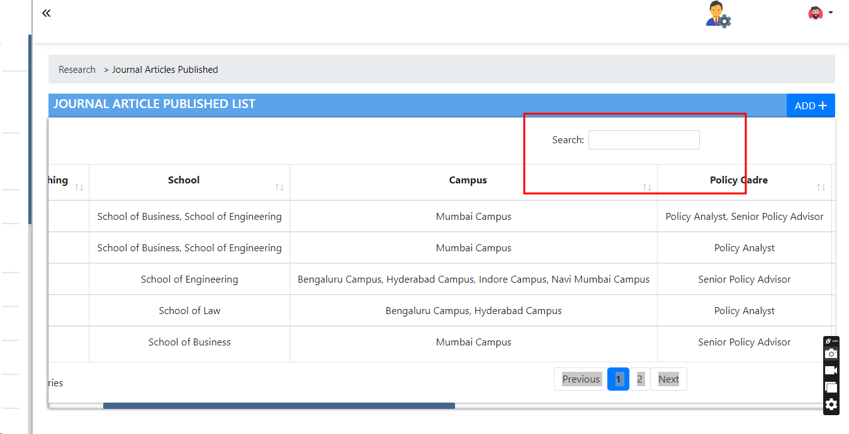 2024-05-09 |  | DIKSHA | Not Applicable

2 | Failed to Fetch data error pop up displayed after clicking on View option. | Failed to Fetch data error pop up displayed after clicking on View option from Action column also Field values are not displayed. | 1.Open the URL https://dev-portal.svkm.ac.in/researches/user 2.Enter valid username and Password. 3.Click on Signin button. 4.Click on Journal Article Published. 5.Click on View option. | Failed to Fetch data error pop up should not displayed after clicking on View option from Action column and Field values should get fetched. | Failed to Fetch data error pop up displayed after clicking on View option from Action column also Field values are not displayed. | MEDIUM |  | 2024-05-09 | 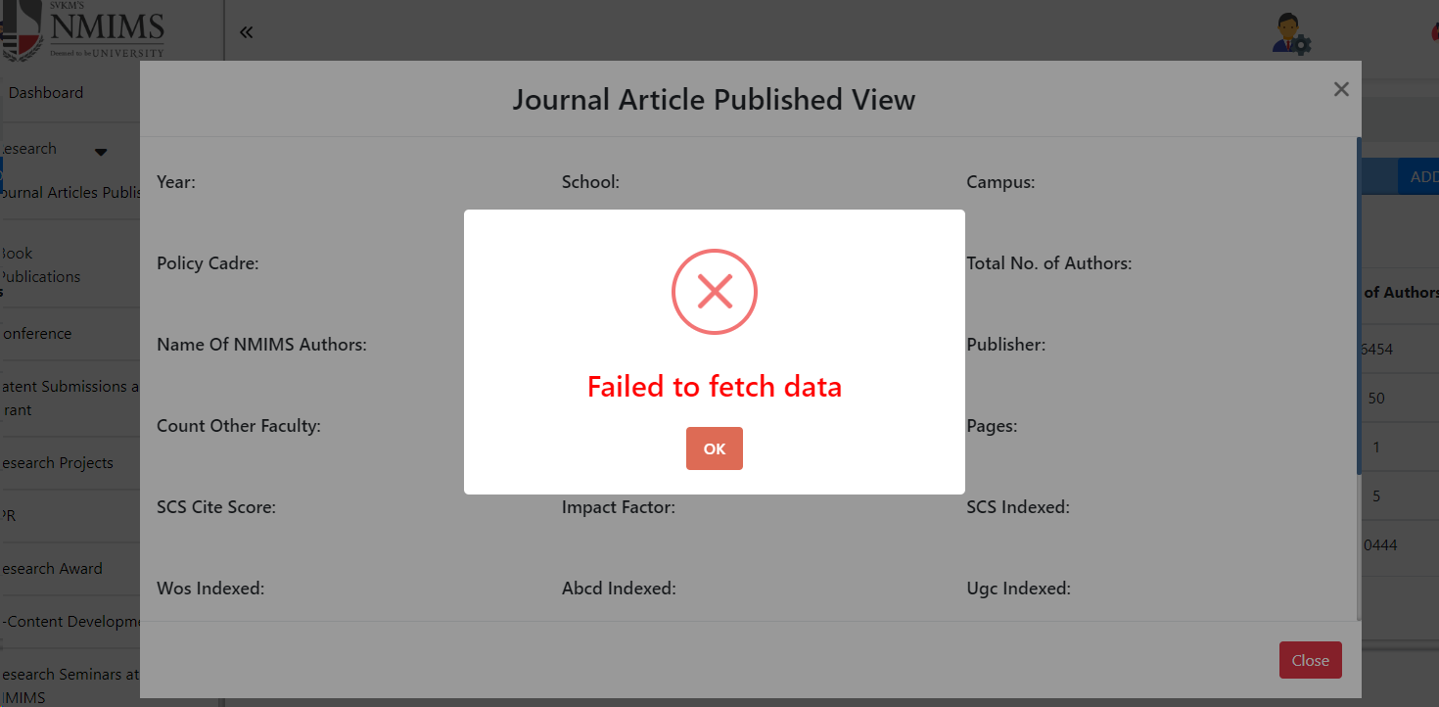 |  | Doubtful

3 | Not able to delete Journal Article Published. | After clicking on Delete option Not able to delete Journal Article Published. | 1.Open the URL https://dev-portal.svkm.ac.in/researches/user 2.Enter valid username and Password. 3.Click on Signin button. 4.Click on Journal Article Published. 5.Click on Delete option. | After clicking on Delete option should able to delete Journal Article Published. | After clicking on Delete option Not able to delete Journal Article Published. | high |  | 2024-05-09 | https://screenrec.com/share/pKAZ7szrDO |  | Done

4 | Inside Edit, All multi select option Fields are not displaying any values. | Inside Edit, All multi select option Fields are not displaying any values. | 1.Open the URL https://dev-portal.svkm.ac.in/researches/user 2.Enter valid username and Password. 3.Click on Signin button. 4.Click on Journal Article Published. 5.Click on Edit option. | Inside Edit, All multi select option Fields should display field values. | Inside Edit, All multi select option Fields are not displaying any values. | high |  | 2024-05-09 | 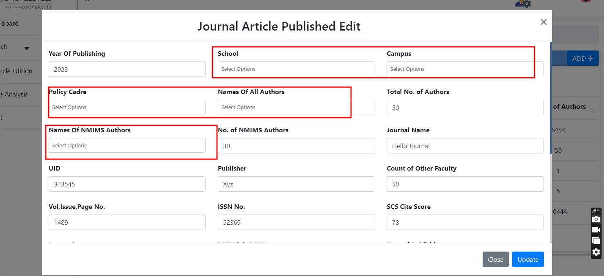 |  | Done

5 | Inside Edit, Click to Upload New file Checkbox Of Upload New file reflected inside Add Window of Journal Article published. | After selecting Checkbox then inside Add window Field for Uploading File is displayed if we deselect checkbox then Inside Add window There is no field for uloading File | 1.Open the URL https://dev-portal.svkm.ac.in/researches/user 2.Enter valid username and Password. 3.Click on Signin button. 4.Click on Journal Article Published. 5.Click on Edit option. | Click to Upload New file Checkbox Of Upload New file should not reflect inside Add Window of Journal Article published. | Inside Edit, Click to Upload New file Checkbox Of Upload New file reflected inside Add Window of Journal Article published. | high |  | 2024-05-09 | https://screenrec.com/share/8dVmM7JDbw |  | Done

6 | After Selecting options from Multiselect option Fields then after closing Edit window then inside EDIT AND ADD OPTION Size of Input Box fields are changing. | Inside Edit, After Selecting options from Multiselect options Fields then after closing Edit window then inside EDIT AND ADD OPTION Size of Input Box fields changed. | 1.Open the URL https://dev-portal.svkm.ac.in/researches/user 2.Enter valid username and Password. 3.Click on Signin button. 4.Click on Journal Article Published. 5.Click on Edit option. | Inside Edit, After Selecting options from Multiselect options Fields then after closing Edit window Size of Input Box fields changed. | Inside Edit, After Selecting options from Multiselect options Fields then after closing Edit window Size of Input Box fields changed. | medium |  | 2024-05-10 | https://screenrec.com/share/ljbcNwgCsz |  | Done

7 | Alphabets ,special characters are not retricted inside Year of Publishing field. | Alphabets ,special characters are not retricted inside Year of Publishing field. | 1.Open the URL https://dev-portal.svkm.ac.in/researches/user 2.Enter valid username and Password. 3.Click on Signin button. 4.Click on Journal Article Published. 5.Click on ADD option. | Alphabets ,special characters SHOULD retricted inside Year of Publishing field. | Alphabets ,special characters are not retricted inside Year of Publishing field. | LOW |  | 2024-05-10 |  |  | Done

8 | Inside Multiselect option fields if we add new Value then its sr no is not added inside its dropdown list. | Inside Multiselect option fields like SCHOOL, CAMPUS, POLICY CADRE , NAMES OF ALL AUTHORS , NAMES OF NMIMS AUTHORS , IMPACT FACTOR if we add new Value then its sr no is not added inside its dropdown list. | 1.Open the URL https://dev-portal.svkm.ac.in/researches/user 2.Enter valid username and Password. 3.Click on Signin button. 4.Click on Journal Article Published. 5.Click on ADD option. | Inside Multiselect option fields like SCHOOL, CAMPUS, POLICY CADRE , NAMES OF ALL AUTHORS , NAMES OF NMIMS AUTHORS , IMPACT FACTOR if we add new Value then its sr no should get added inside its dropdown list. | Inside Multiselect option fields like SCHOOL, CAMPUS, POLICY CADRE , NAMES OF ALL AUTHORS , NAMES OF NMIMS AUTHORS , IMPACT FACTOR if we add new Value then its sr no is not added inside its dropdown list. | low |  | 2024-05-10 | 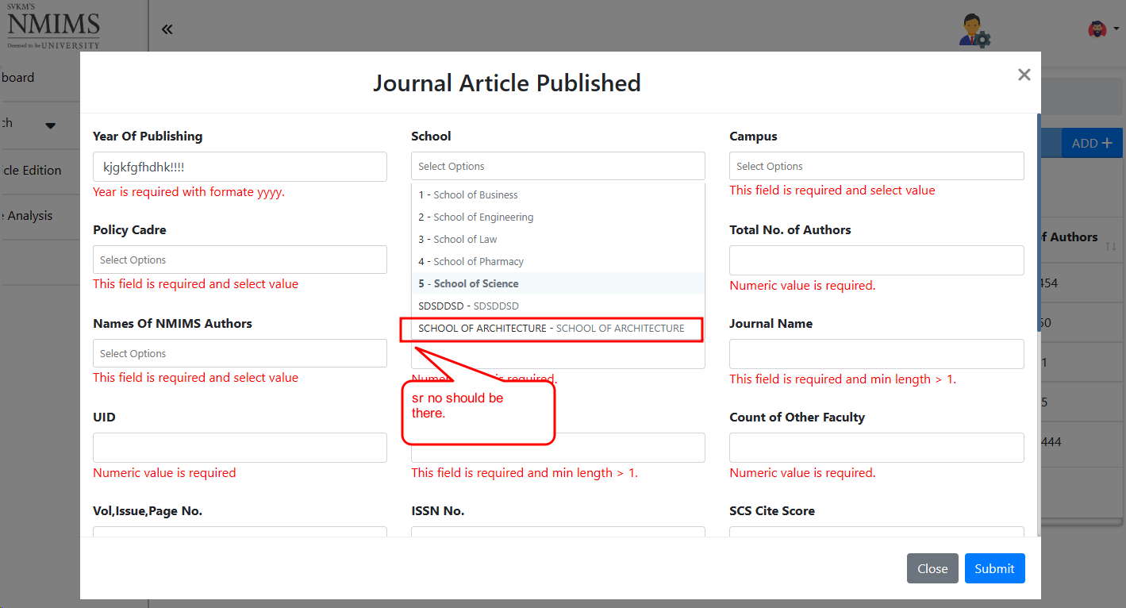 |  | Not Applicable

9 | web link DOI NO is not accepting special characters like(/,.). | web link DOI NO is not accepting special characters like(/,.) because DOI NO is WEB LINK for the article/book. | 1.Open the URL https://dev-portal.svkm.ac.in/researches/user 2.Enter valid username and Password. 3.Click on Signin button. 4.Click on Journal Article Published. 5.Click on ADD option. | web link DOI NO should accept special characters like(/,.) because DOI NO is WEB LINK for the article/book. | web link DOI NO is not accepting special characters like(/,.) because DOI NO is WEB LINK for the article/book. | low |  | 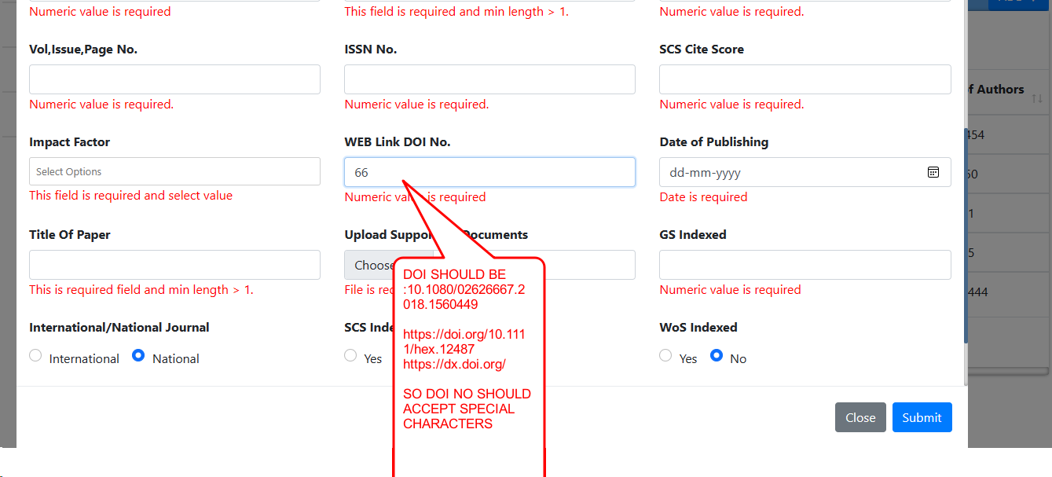 2024-05-10 |  |  | Doubtful

10 | Radio buttons reflect from Edit to ADD option. | If we Update any journal articles form then radio button fields are reflected from EDIT to ADD option. | 1.Open the URL https://dev-portal.svkm.ac.in/researches/user 2.Enter valid username and Password. 3.Click on Signin button. 4.Click on Journal Article Published. 5.Click on ADD option. | Radio buttons fields should not reflect from Edit to ADD option. | Radio button fields are reflect from Edit to ADD option. | low |  | 2024-05-10 | https://screenrec.com/share/tsGUd2oTa4 |  | Done

11 | JOURNAL NAME accepting only numbers inside the fieldd. | JOURNAL NAME accepting only numbers inside the fieldd also error message is not there | 1.Open the URL https://dev-portal.svkm.ac.in/researches/user 2.Enter valid username and Password. 3.Click on Signin button. 4.Click on Journal Article Published. 5.Click on ADD option. | JOURNAL NAME should not acccept only numbers inside the field also error message should be there | JOURNAL NAME accepting only numbers inside the fieldd also error message is not there | low |  | 2024-05-10 | 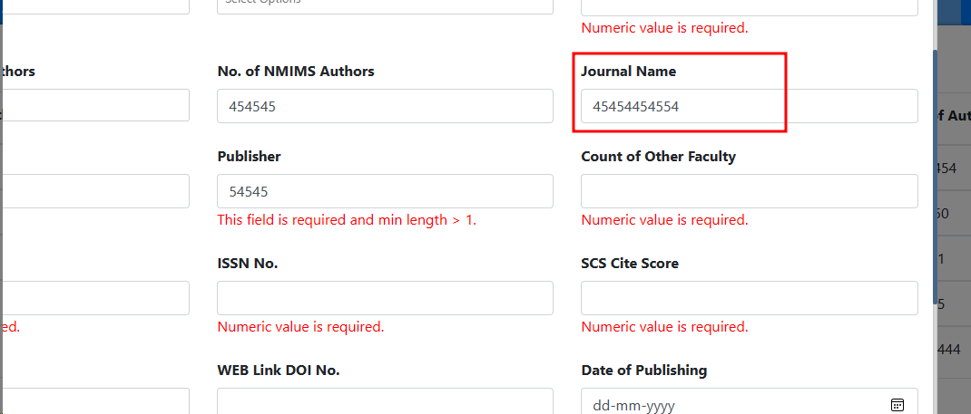 |  | Done

12 | Publisher fields error message is not proper. | After entering Numbers and Special characters then error message is not proper. | 1.Open the URL https://dev-portal.svkm.ac.in/researches/user 2.Enter valid username and Password. 3.Click on Signin button. 4.Click on Journal Article Published. 5.Click on ADD option. | After entering Numbers and Special characters then error message should be proper. | After entering Numbers and Special characters then error message is not proper. | low |  | 2024-05-10 | 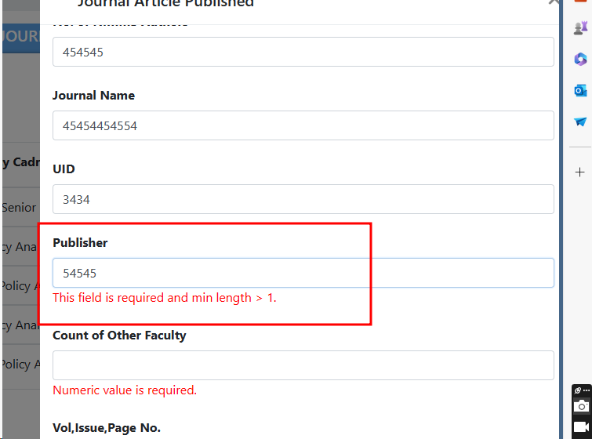 |  | Doubtful

13 | DOI ID field accepting Duplicate values. | DOI ID field is accepting Duplicate Values. | 1.Open the URL https://dev-portal.svkm.ac.in/researches/user 2.Enter valid username and Password. 3.Click on Signin button. 4.Click on Journal Article Published. 5.Click on ADD option. | DOI ID field should not accept Duplicate Values. | DOI ID field is accepting Duplicate Values. | medium |  | 2024-05-10 |  |  | Doubtful

14 | SR No is not updated after searching any value. | After searching any value then SR NO is not updated according to its Available search items. | 1.Open the URL https://dev-portal.svkm.ac.in/researches/user 2.Enter valid username and Password. 3.Click on Signin button. 4.Click on Journal Article Published. | After searching any value then SR NO should update according to its Available search items. | After searching any value then SR NO is not updated according to its Available search items. | low |  | 2024-05-10 | 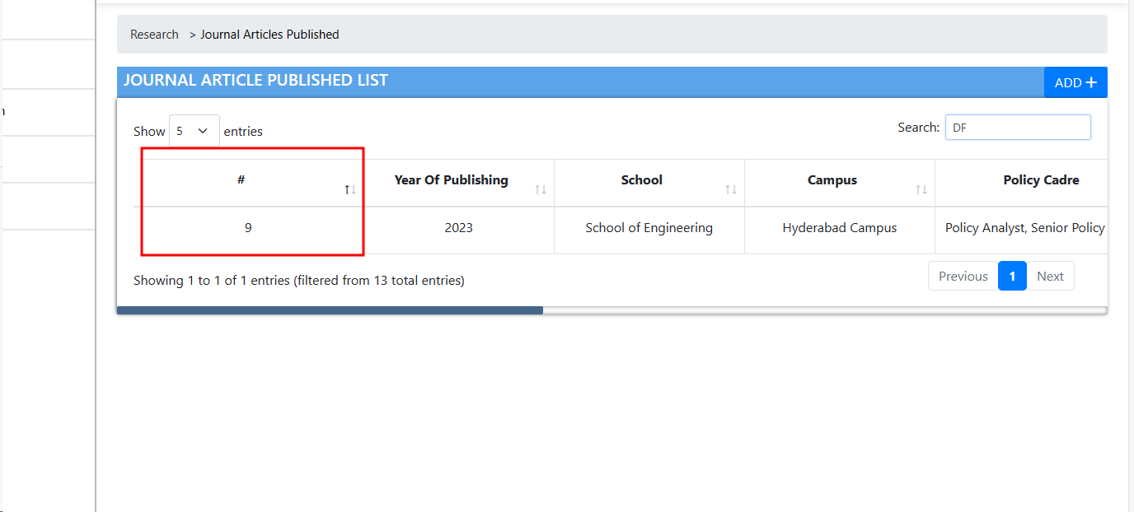 |  | Not Applicable

15 | Path of breadcrumbs is not proper. | Path of breadcrumbs is not proper. | 1.Open the URL https://dev-portal.svkm.ac.in/researches/user 2.Enter valid username and Password. 3.Click on Signin button. 4.Click on Journal Article Published. | Path of breadcrumbs should be proper. | Path of breadcrumbs is not proper. | low |  | 2024-05-10 | 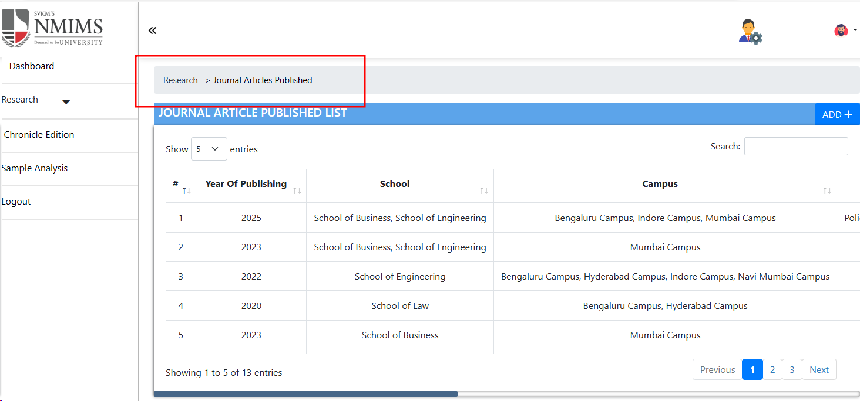 |  | Not Applicable

16 | If we checked the checkbox then Allignment of Upload supporting Document is not proper. | If we checked the checkbox then Allignment of Upload supporting Document is not proper. | 1.Open the URL https://dev-portal.svkm.ac.in/researches/user 2.Enter valid username and Password. 3.Click on Signin button. 4.Click on Journal Article Published. 5.Click on Edit option. | If we checked the checkbox then Allignment of Upload supporting Document should be proper. | If we checked the checkbox then Allignment of Upload supporting Document is not proper. | low |  | 2024-05-10 | 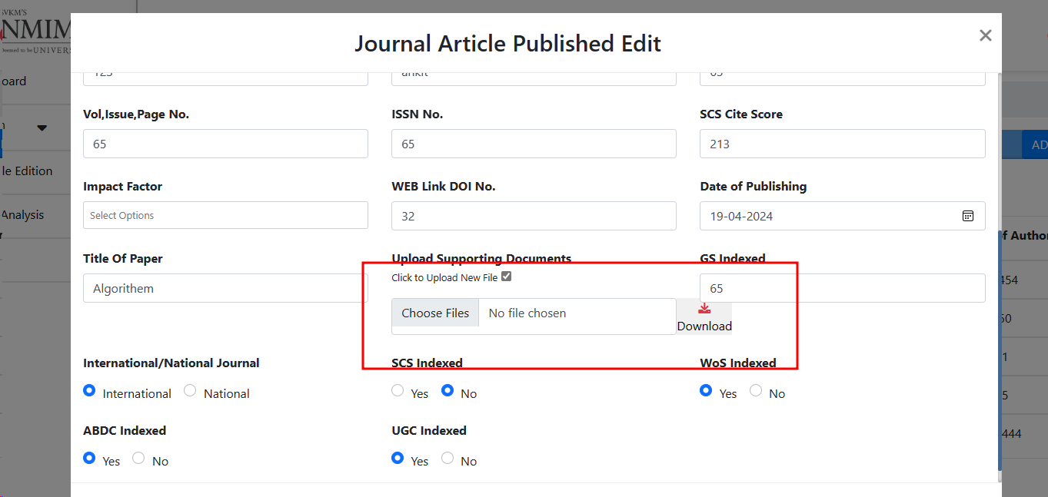 |  | Done

17 | All fields are not having Placeholder and Asterisk sign. | All fields from Add Book Publication are not having Asterisk Sign and a placeholder. | 1.Open the URL https://dev-portal.svkm.ac.in/researches/user 2.Enter valid username and Password. 3.Click on Signin button. 4.Click on Journal Article Published. 5.Click on ADD option. | All fields from Add Journal Article List should have Asterisk Sign and a placeholder. | All fields from Add Journal Article List are not having Asterisk Sign and a placeholder. | low | All fields from Journal Article List should have Asterisk Sign and a placeholder. | 2024-05-10 |  |  | Not Applicable

BOOK_PUBLICATIONS2.1
 |  |  |  | BUG REPORT : BOOK PUBLICATIONS 2.1

 | Title | Bug Description | steps to Reproduce | Expected Result | Actual Result | Priority | Comments | Date | Screenshots/ screenRecords | QA Name | Status

1 | SR No is not updated after searching any value. | After searching any value then SR NO is not updated according to its Available search items. | 1.Open the URL https://dev-portal.svkm.ac.in/researches/user 2.Enter valid username and Password. 3.Click on Signin button. 4.Click on BOOK PUBLICATIONS. 5.Click on search option. | After searching any value then SR NO should update according to its Available search items. | After searching any value then SR NO is not updated according to its Available search items. | low |  | 2024-05-10 |  | DIKSHA

2 | Search Field not having CLOSE/CANCEL And SEARCH button. | Search Field not having CLOSE/CANCEL And SEARCH button. | 1.Open the URL https://dev-portal.svkm.ac.in/researches/user 2.Enter valid username and Password. 3.Click on Signin button. 4.Click on BOOK PUBLICATIONS. 5.Click on search option. | Search Field should have CLOSE/CANCEL And SEARCH button. | Search Field not having CLOSE/CANCEL And SEARCH button. | MEDIUM |  | 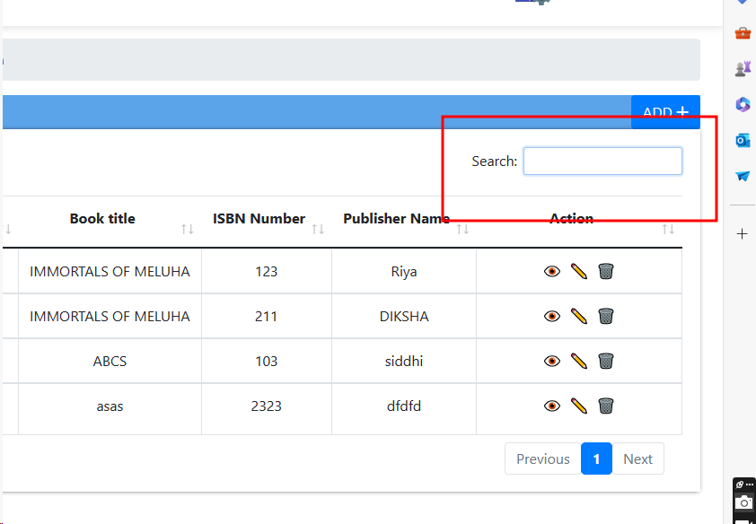 2024-05-10

3 | If we unchecked the checkbox then also we are able to upload new Supporting document. | Inside EDIT OPTION,If we unchecked the checkbox then also we are able to upload new Supporting document. | 1.Open the URL https://dev-portal.svkm.ac.in/researches/user 2.Enter valid username and Password. 3.Click on Signin button. 4.Click on BOOK PUBLICATIONS. 5.Click on EDIT option. | If we unchecked the checkbox then we should not able to upload new Supporting document. | If we unchecked the checkbox then also we are able to upload new Supporting document. | high |  | 2024-05-10 | https://screenrec.com/share/fPb3ywDu61

4 | Error pop up message is not proper AND not properly labled. | Error pop up message After adding duplicate DOI NUMBER is not proper AND not properly labled. | 1.Open the URL https://dev-portal.svkm.ac.in/researches/user 2.Enter valid username and Password. 3.Click on Signin button. 4.Click on BOOK PUBLICATIONS. 5.Click on ADD option. | Error pop up message is not proper AND not properly labled. | Error pop up message After adding duplicate DOI NUMBER is not proper AND not properly labled. | low |  | 2024-05-10 | 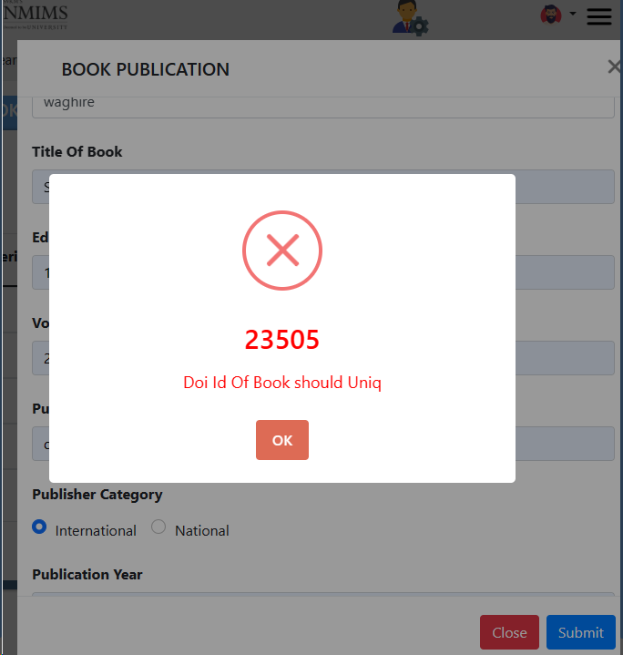

5 | Publisher Category Radio button reflect inside ADD option. | Publisher Category Radio button from Edit reflect inside ADD option. | 1.Open the URL https://dev-portal.svkm.ac.in/researches/user 2.Enter valid username and Password. 3.Click on Signin button. 4.Click on BOOK PUBLICATIONS. 5.Click on ADD option. | Publisher Category Radio button from Edit should not reflect inside ADD option. | Publisher Category Radio button from Edit reflect inside ADD option. | low |  | 2024-05-10 | https://screenrec.com/share/cpSo3xkw2e

6 | Authors Last Name field name is not labeled as User Requirement. | Authors Last Name field name is not labeled as User Requirement i.e AUTHORS LAST NAME , FIRST INITIAL. | 1.Open the URL https://dev-portal.svkm.ac.in/researches/user 2.Enter valid username and Password. 3.Click on Signin button. 4.Click on BOOK PUBLICATIONS. 5.Click on ADD option. | Authors Last Name field name should labeled as User Requirement i.e AUTHORS LAST NAME , FIRST INITIAL. | Authors Last Name field name is not labeled as User Requirement i.e AUTHORS LAST NAME , FIRST INITIAL. | low |  | 2024-05-10 | 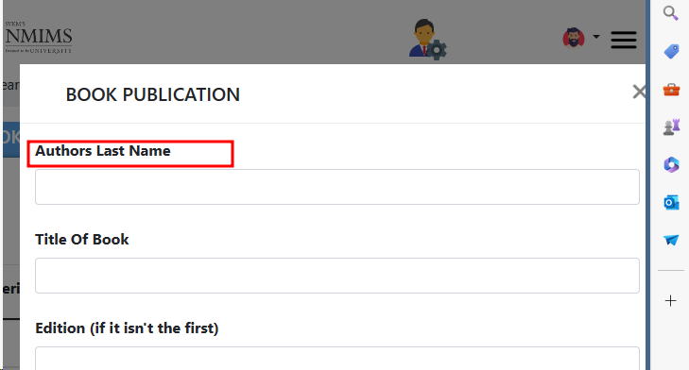

7 | DOI NO is not accepting special characters like(/,.). | DOI NO is not accepting special characters like(/,.) because DOI NO is WEB LINK for the article/book. | 1.Open the URL https://dev-portal.svkm.ac.in/researches/user 2.Enter valid username and Password. 3.Click on Signin button. 4.Click on BOOK PUBLICATIONS. 5.Click on ADD option. | DOI NO should accept special characters like(/,.) because DOI NO is WEB LINK for the article/book. | DOI NO is not accepting special characters like(/,.) because DOI NO is WEB LINK for the article/book. | low |  | 2024-05-10

8 | Page is not redirected on Particular Location after clicking on URL. | After adding URL inside URL of Book then after clicking on it page should redirect on particular location. | 1.Open the URL https://dev-portal.svkm.ac.in/researches/user 2.Enter valid username and Password. 3.Click on Signin button. 4.Click on BOOK PUBLICATIONS. 5.Click on ADD option. | Page should be redirect on Particular Location after clicking on URL. | Page is not redirected on Particular Location after clicking on URL. | low | Page should be redirected on Particular Location after clicking on URL. | 2024-05-10

9 | ALLIGNMENT of Upload supporting Documents field and its Error message is not proper. | ALLIGNMENT of Upload supporting Documents field and its Error message is not proper. | 1.Open the URL https://dev-portal.svkm.ac.in/researches/user 2.Enter valid username and Password. 3.Click on Signin button. 4.Click on BOOK PUBLICATIONS. 5.Click on ADD option. | ALLIGNMENT of Upload supporting Documents field and its Error message is not proper. | ALLIGNMENT of Upload supporting Documents field and its Error message is not proper. | low |  | 2024-05-10 | 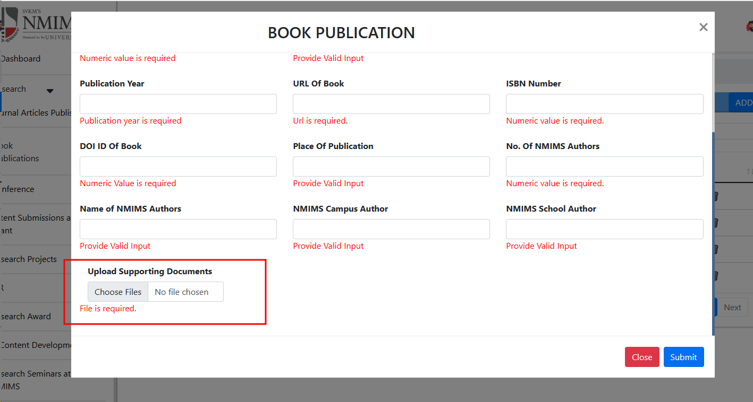

10 | All fields are not having Placeholder and Asterisk sign. | All fields from Add Book Publication are not having Asterisk Sign and a placeholder. | 1.Open the URL https://dev-portal.svkm.ac.in/researches/user 2.Enter valid username and Password. 3.Click on Signin button. 4.Click on BOOK PUBLICATIONS. 5.Click on ADD option. | All fields from Add Book Publication should have Asterisk Sign and a placeholder. | All fields from Add Book Publication are not having Asterisk Sign and a placeholder. | low | All fields from Add Book Publication should have Asterisk Sign and a placeholder. | 2024-04-25

